Details
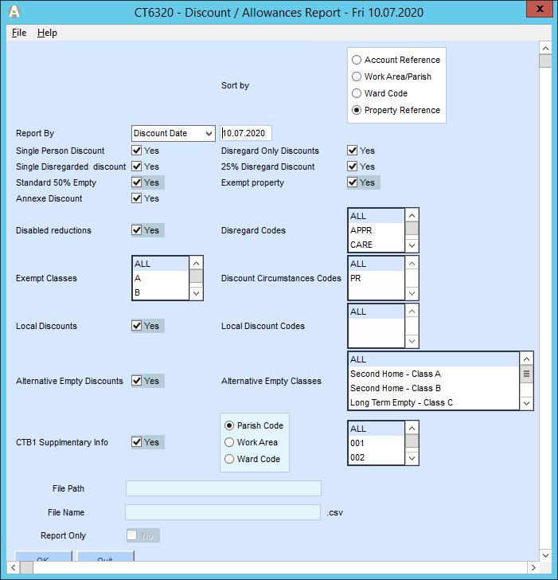
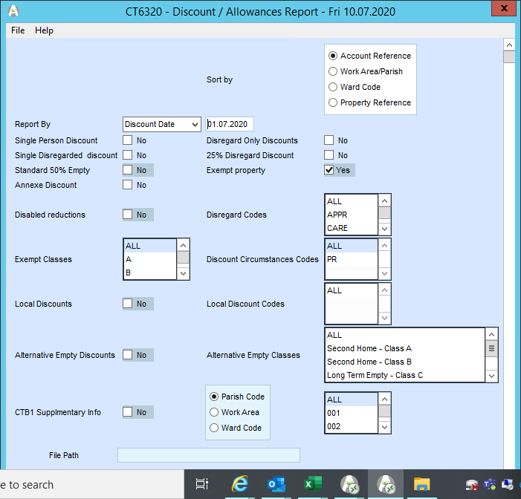
https://www.eastleigh.gov.uk/council/general-public-information/freedom-of-information/foi-frequently-requested-information
 | for exempts=

